Print Page 1
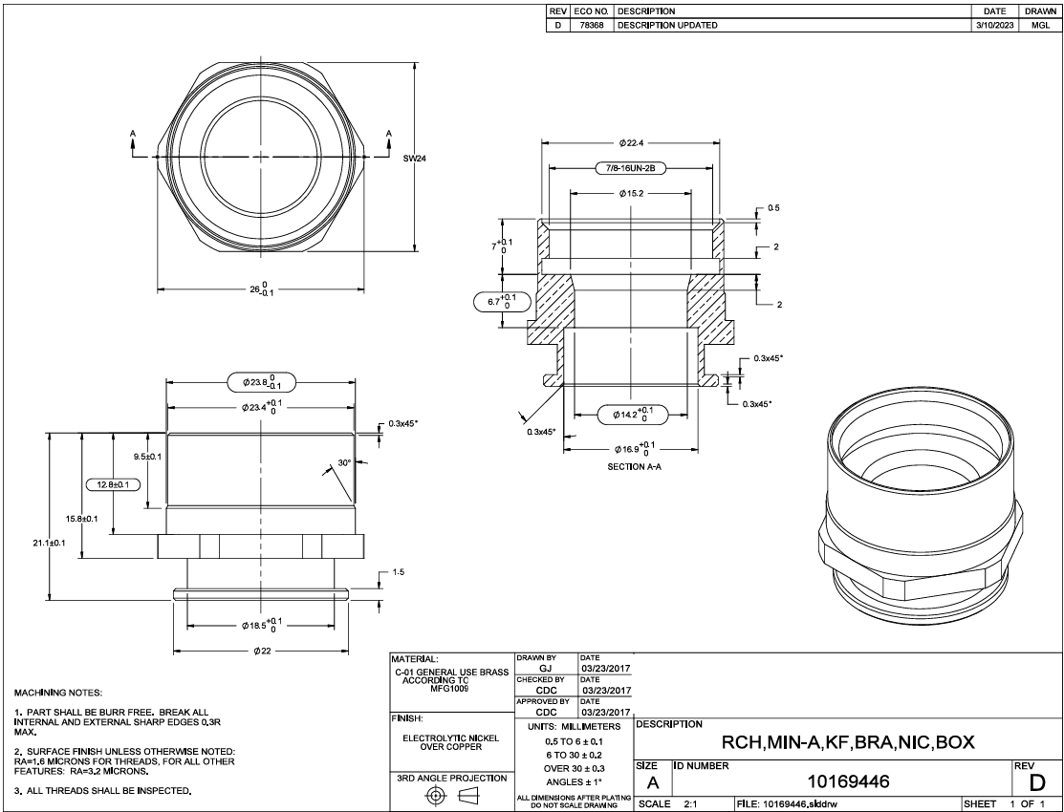

13
14
15

1

16

2
17

8
9

7
11
12
6
5

4

10

18
3

Tolerance Table
